Asset Chart
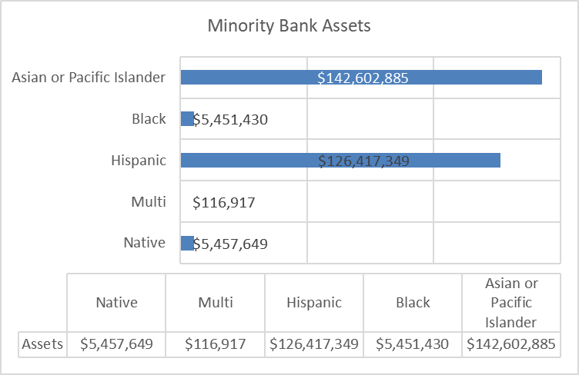
Minority Bank Assets by Ethnic Group
Row Labels | Sum of ASSETS
Asian or Pacific Islander | 142602885
Black | 5451430
Hispanic | 126417349
Multi | 116917
Native | 5457649
Grand Total | 280046230

Ethnic Group | Assets
Asian or Pacific Islander | $142,602,885
Black | $5,451,430
Hispanic | $126,417,349
Multi | $116,917
Native | $5,457,649

Black Bank Assets as a Percentage of Asian and Hispanic, Total Banking Assets
Total US Banking Assets | $21,140,000,000
Black as a % of Total Bank Assets | 0.026%
Black as a % of Asian and Hispanic | 2.026%
Total Assets | 100%
Black Assets if they were a Percentage of US Population | $2,748,200,000

